参考
NO.2 | https://docs.aws.amazon.com/zh_cn/eks/latest/userguide/fsx-csi.html

NO.15
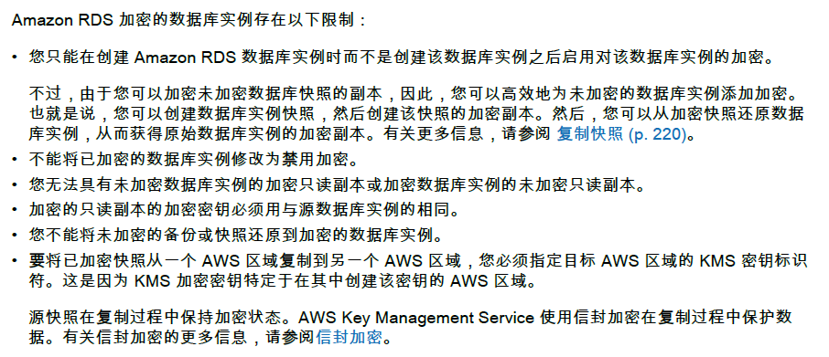

NO.28

